Master Location
Location Code ↓ | Location Name ↓ | Cost Center ↓ | Abbreviation ↓ | Parent Location ↓ | KPBC ↓ | Address ↓ | City ↓ | Region ↓ | Phone ↓ | Active ↓ | User Update ↓ | Update Date ↓ |  |  |  | Location Code ↓ | Unit Code ↓ | Unit Name ↓ | Active ↓ | User Update ↓ | Update Date ↓ | Location Code ↓ | Vendor No. ↓ | Vendor Name ↓ | Bank Account No. ↓ | Bank Account Name ↓ | Bank Branch ↓ | Owner ↓ | Established ↓ | Active ↓ | User Update ↓ | Update Date ↓
SKT | Sigaret Kretek Tangan |  |  |  |  |  |  |  |  |  | PMI/mnatalia | 04/02/2015 |  |  |  | ID21 | 2021 | UNIT 1 |  | PMI/mnatalia | 04/02/2015 |  |  |  |  |  |  |  |  |  | PMI/mnatalia | 04/02/2015
 |  |  |  |  |  |  |  |  |  |  | PMI/mnatalia | 11/02/2015 |  |  |  |  |  |  |  | PMI/mnatalia | 11/02/2015 |  |  |  |  |  |  |  |  |  | PMI/mnatalia | 11/02/2015
PLNT | SKT Plant Group |  |  | SKT |  |  |  |  |  |  | PMI/pherlukijanto | 04/02/2015 |  |  |  | ID21 | 2023 | UNIT 3 |  | PMI/pherlukijanto | 04/02/2015 |  |  |  |  |  |  |  |  |  | PMI/pherlukijanto | 04/02/2015
TPO | Third Party Operation |  |  | SKT |  |  |  |  |  |  | PMI/pherlukijanto | 05/02/2015 |  |  |  | ID21 | 2024 | UNIT 4 |  | PMI/pherlukijanto | 05/02/2015 |  |  |  |  |  |  |  |  |  | PMI/pherlukijanto | 05/02/2015
ID22 | SKT Rungkut 2 |  | RK2 | PLNT | SURABAYA | Jl. Kali Rungkut Surabaya | SURABAYA | JAWA TIMUR |  |  | PMI/mnatalia | 06/02/2015 |  |  |  | ID21 | 2025 | UNIT 5 |  | PMI/mnatalia | 06/02/2015 |  |  |  |  |  |  |  |  |  | PMI/mnatalia | 06/02/2015
REG1 | Regional 1 |  |  | TPO |  |  |  |  |  |  | PMI/pherlukijanto | 04/02/2015 |  |  |  | ID21 | GD 2 | GUDANG 2 |  | PMI/pherlukijanto | 04/02/2015 |  |  |  |  |  |  |  |  |  | PMI/pherlukijanto | 04/02/2015
IDAD | MPS KARANGANOM - KLATEN |  | KRN | REG4 | SURAKARTA |  | SURAKARTA | JAWA TENGAH |  |  | PMI/mnatalia | 11/02/2015 |  |  |  | ID21 | GD 3 | GUDANG 3 |  | PMI/mnatalia | 11/02/2015 |  |  |  |  |  |  |  |  |  | PMI/mnatalia | 11/02/2015

Master Holiday

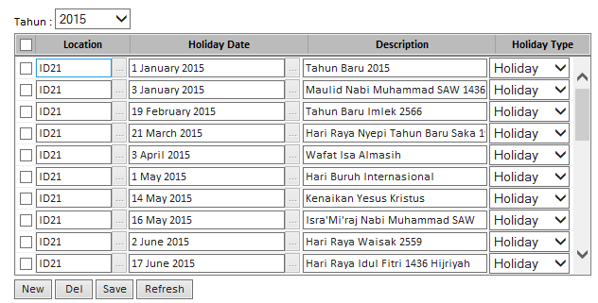

 |  |  |  |  |  |  | Location ↓ | Holiday Date ↓ | Decription ↓ | Holiday Type ↓ | Active ↓ | Update By ↓ | Update Date ↓
 |  |  |  |  |  |  | ID21 | 1-Jan-15 | Tahun Baru 2015 | Holiday |  | PMI/mnatalia | 04/02/2015
 |  |  |  |  |  |  |  |  |  |  |  | PMI/mnatalia | 11/02/2015
 |  |  |  |  |  |  | ID21 | 19-Jan-15 | Tahun Baru Imlek 2566 | Holiday |  | PMI/pherlukijanto | 04/02/2015
 |  |  |  |  |  |  | ID21 | 21-Mar-15 | Hari Raya Nyepi Tahun Baru Saka | Holiday |  | PMI/pherlukijanto | 05/02/2015
 |  |  |  |  |  |  | ID21 | 3-Apr-15 | Wafat Isa Almasih | Holiday |  | PMI/mnatalia | 06/02/2015
 |  |  |  |  |  |  | ID21 | 1-May-15 | Hari Buruh Internasional | Holiday |  | PMI/pherlukijanto | 04/02/2015
 |  |  |  |  |  |  | ID21 | 14-May-15 | Kenaikan Yesus Kristus | Holiday |  | PMI/mnatalia | 05/02/2015

Master TPO Paket

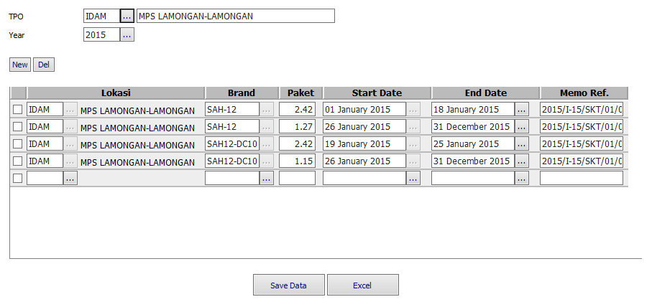

 |  |  |  |  |  |  |  | Location Code ↓ | Location ↓ | Brand ↓ | Paket ↓ | Efective Date ↓ | Expired Date ↓ | Memo Ref. ↓
 |  |  |  |  |  |  |  | IDAM | MPS LAMONGAN - LAMONGAN | SAH-12 | 1.27 | 25-Jan-15 | 31-Dec-15 | 2015/I-15/01/012
 |  |  |  |  |  |  |  |  | MPS LAMONGAN - LAMONGAN
 |  |  |  |  |  |  |  | IDAM | MPS LAMONGAN - LAMONGAN | SAH12-DC10 | 2.42 | 20-Jan-15 | 24-Jan-15 | 2015/I-15/01/014
 |  |  |  |  |  |  |  | IDAM | MPS LAMONGAN - LAMONGAN | SAH12-DC10 | 1.15 | 25-Jan-15 | 31-Dec-15 | 2015/I-15/01/012

Master TPO Rate

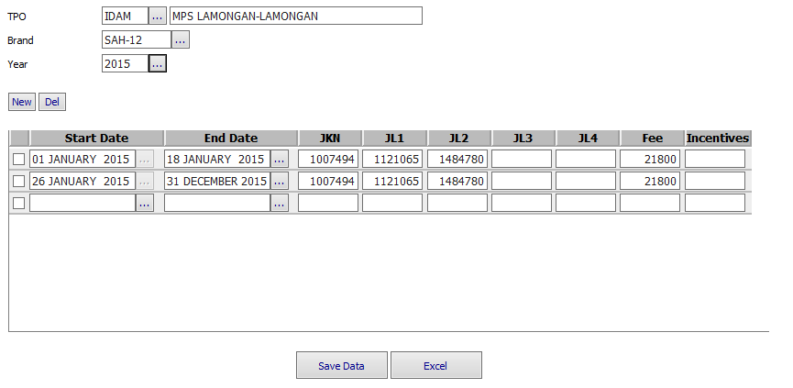

 |  |  |  |  |  |  |  | Efective Date ↓ | Expired Date ↓ | JKN ↓ | JL1 ↓ | JL2 ↓ | JL3 ↓ | JL4 ↓ | Fee ↓ | Incentives ↓
 |  |  |  |  |  |  |  | 26-Jan-15 | 31-Jan-15 | 107494 | 1121065 | 1484780 |  |  | 21800

Master Absen
Master Absen Type

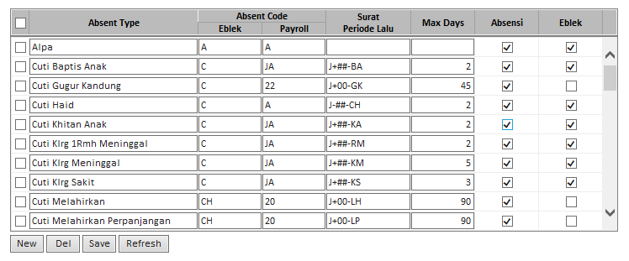

 |  |  |  |  |  |  | J+##BA

Absent Type | Absent Code |  | Surat Periode Lalu | Max Day | Active
 | SKT | Payroll |  |  | Absent | Production Entry
Alpa | A | A

Cuti Gugur Kandung | C | 22 | J+00-GK | 45
Cuti Haid | C | A | J-##-CH | 2
Cuti Khitan Anak | C | JA | J+##-KA | 2
Cuti Keluarga 1 Rumah Meninggal | C | JA | J+##-RM | 2
Cuti Keluarga Meninggal | C | JA | J+##-KM | 2
Cuti Keluarga Sakit | C | JA | J+##-KS | 5
Cuti Melahirkan | C | 20 | J+00-LH | 3

Planning
Weekly Production Planning

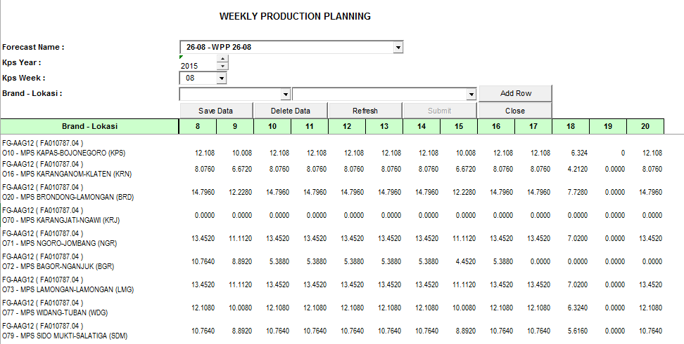

 |  |  |  |  |  |  |  |  |  |  |  |  |  |  |  | Brand ↓ | Location ↓ | 8 | 9 | 10 | 11 | 12 | 13 | 14 | 15
 |  |  |  |  |  |  |  |  |  |  |  |  |  |  |  | FA010783.14 | ID21 | 20.952 | 20.952 | 18.336 | 20.952 | 14.676 | 20.952 | 20.952 | 20.952
 |  |  |  |  |  |  |  |  |  |  |  |  |  |  |  | FA010783.14 | ID22 | 18.336 | 20.952 | 14.676 | 20.952 | 20.952 | 20.952 | 18.336 | 20.952
 |  |  |  |  |  |  |  |  |  |  |  |  |  |  |  | FA010783.14 | ID23 | 20.952 | 18.336 | 20.952 | 14.676 | 20.952 | 20.952 | 14.676 | 20.952

 |  |  |  |  |  |  |  |  |  |  |  |  |  |  |  |  |  |  |  |  |  |  |  | UNIT WORK HOURS

Process Group ↓ | Tenaga Giling |  | Senin |  |  | Selasa |  |  | Rabu |  |  | Kamis |  |  | Jumat |  |  | Sabtu
 |  |  | 7 |  |  | 7 |  |  | 7 |  |  | 7 |  |  | 7 |  |  | 5 |  |  |  |  |  | Unit ↓ | Brand ↓ | Senin | Selasa | Rabu | Kamis | Jumat | Sabtu | Minggu
 | Terdaftar | Alokasi | Bobot | Productivity | Target | Bobot | Productivity | Target | Bobot | Productivity | Target | Bobot | Productivity | Target | Bobot | Productivity | Target | Bobot | Productivity | Target |  |  |  | 2021 | FA010783.14 | 7 | 7 | 7 | 7 | 7 | 5 | 0
2021 | 335 | 331 | 1 | 328.1 | 58 | 1 | 328.1 | 60 | 0.984 | 328.1 | 60 | 1 | 328.1 | 60 | 1 | 328.1 | 60 | 0.978 | 339.4 | 44 |  |  |  | 2022 | FA010783.14
 | 331 |  |  | 326.2 | 58 |  | 326.2 | 59 |  | 326.2 | 61 |  | 326.2 | 60 |  | 326.2 | 60 |  | 399.03 | 44 |  |  |  | 2023 | FA010783.14 | 7 | 7 | 7 | 7 | 7 | 5 | 0
2023 | 333 | 331 | 0.983 | 325.9 | 57 | 0.983 | 325.9 | 59 | 0.984 | 325.9 | 60 | 1 | 325.9 | 60 | 1.000 | 325.9 | 60 | 1 | 336.9 | 44 |  |  |  | 2024 | FA010783.14 | 7 | 7 | 7 | 7 | 7 | 5 | 0
2024 | 335 | 333 | 0.983 | 327.5 | 57 | 0.983 | 327.5 | 59 | 0.967 | 327.5 | 59 | 0.983 | 327.5 | 59 | 0.983 | 327.5 | 59 | 0.978 | 339.0 | 44 |  |  |  | 2025 | FA010783.14 | 7 | 7 | 7 | 7 | 7 | 5 | 0
2025 | 398 | 396 | 0.986 | 327.8 | 69 | 0.959 | 327.8 | 70 | 0.973 | 327.8 | 71 | 0.973 | 327.8 | 71 | 0.959 | 327.8 | 70 | 0.981 | 338.5 | 52

Satuan target = box/12000 stk

Target Produksi Kelompok

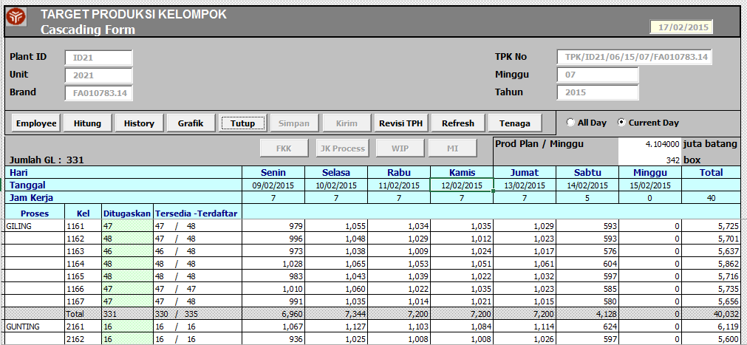

TPK Untuk TPO

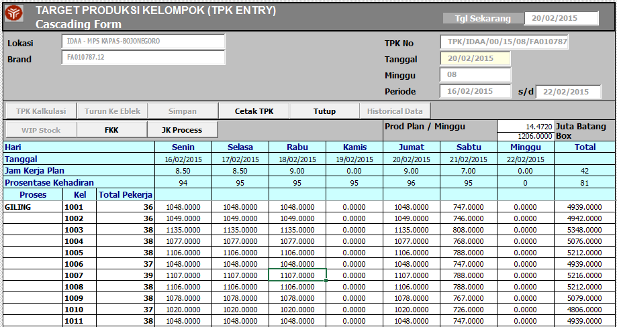

Source |  |  |  | Destination |  |  |  | Efective Date ↓ | Expired Date ↓ | Update By ↓ | Update Date ↓
Process ↓ | Group ↓ | Employee ↓ | Brand ↓ | Location ↓ | Unit ↓ | Process ↓ | Group
 |  |  | ?????

 |  | Real Capacity | Gunting | Pak | Bandrol
 | Real Capacity
 | Box
 | BLC Capacity
 | Box

Emp ID ↓ | No Pengenal ↓ | Nama ↓ | Giling ↓ |  | Gunting ↓ |  | Pack ↓ |  | Bandrol ↓

Process | Actual Production | Actual WH | Terdaftar | Absent (%) | Hadir | Productivity ( Sticks / Man Hour ) | Productivity ( Sticks / Hour ) | Balance Idx | RATIO | Recommended Labor | Recommended Output
Giling | 3,543,600 | 35 | 334 | 5.81 | 315 | 321.41 | 101,246 | 1.000 | 1.000 | 312 | 100,281
Gunting | 3,400,300 | 35 | 105 | 5.64 | 99 | 981.33 | 97,151 | 0.960 | 0.328 | 102 | 100,095
Pack | 3,532,800 | 35 | 64 | 0.94 | 63 | 1,602.18 | 100,937 | 0.997 | 0.201 | 63 | 100,937
Banderol | 3,504,000 | 35 | 15 | - | 15 | 6,674.29 | 100,114 | 0.989 | 0.048 | 15 | 100,114
 |  |  | 518 |  | 492 |  |  | 0.986 | 1.576 | 492

Double click untuk memilih employee pada kelompok tsb
Hari |  |  |  | Senin | Selasa | Rabu | Kamis | Jumat | Sabtu | Minggu | Total
Tanggal |  |  |  | 2015-03-09 | 2015-03-10 | 2015-03-11 | 2015-03-12 | 2015-03-13 | 2015-03-14 | 2015-03-15 | 2015-03-16
Jam Kerja |  |  |  | 7 | 7 | 7 | 7 | 7 | 5 | 0 | 40
Proses | Kelompok | Ditugaskan | Tersedia - Terdaftar
Giling | 1161 | 48 |  | 987 | 1,022 | 1,048 | 1,041 | 970 | 616 | 0 | 5,684
 | 1162 | 48 |  | 962 | 993 | 1,008 | 995 | 1,012 | 610 | 0 | 5,580
 | 1163 | 46 |  | 943 | 991 | 993 | 989 | 1,002 | 588 | 0 | 5,506
 | 1164 | 48 |  | 1,005 | 1,020 | 1,052 | 1,030 | 1,044 | 620 | 0 | 5,771
 | 1165 | 48 |  | 977 | 1,012 | 1,030 | 1,003 | 1,023 | 612 | 0 | 5,657
 | 1166 | 47 |  | 989 | 1,010 | 1,015 | 1,013 | 1,023 | 604 | 0 | 5,654
 | 1167 | 47 |  | 977 | 984 | 1,006 | 1,009 | 1,006 | 550 | 0 | 5,532
 | Total | 332 | 0 / 0 | 6,840 | 7,032 | 7,152 | 7,080 | 7,080 | 4,200 | 0 | 39,384
GUNTING | 2161 | 15 |  | 963 | 1,026 | 1,032 | 1,005 | 973 | 619 | 0 | 5,618
 | 2162 | 16 |  | 904 | 979 | 990 | 990 | 1,023 | 614 | 0 | 5,500
 | 2163 | 16 |  | 1,100 | 1,103 | 1,133 | 1,137 | 1,103 | 663 | 0 | 6,239
 | 2164 | 15 |  | 1,035 | 1,038 | 1,056 | 1,047 | 1,080 | 642 | 0 | 5,898
 | 2165 | 16 |  | 1,091 | 1,111 | 1,142 | 1,133 | 1,123 | 662 | 0 | 6,262
 | 2166 | 11 |  | 794 | 782 | 778 | 787 | 780 | 459 | 0 | 4,380
 | 2167 | 14 |  | 953 | 993 | 1,021 | 981 | 998 | 541 | 0 | 5,487
 | Total | 103 | 0 / 0 | 6,840 | 7,032 | 7,152 | 7,080 | 7,080 | 4,200 | 0 | 39,384
PAK | 3161 | 28 |  | 245 | 253 | 258 | 256 | 254 | 170 | 0 | 1,436
 | 3162 | 37 |  | 325 | 330 | 335 | 334 | 336 | 225 | 0 | 1,885
 | Total | 65 | 0 / 0 | 570 | 583 | 593 | 590 | 590 | 395 | 0 | 3,321
BANDEROL | 4161 | 15 |  | 570 | 580 | 590 | 590 | 590 | 440 | 0 | 3,360
 | Total | 15 | 0 / 0 | 570 | 580 | 590 | 590 | 590 | 440 | 0 | 3,360
BOX | BOX | 0 | 0 / 0 | 57 | 58 | 59 | 59 | 59 | 44 | 0 | 336
 | Total | - | - / - | 57 | 58 | 59 | 59 | 59 | 44 | 0 | 336

Proses |  |  |  | Employee
Min | Max | Avg | Med | ID | Pengenal | Capacity

Production
Plant Production Entry

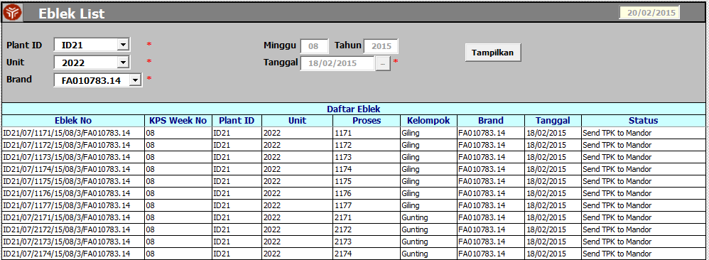

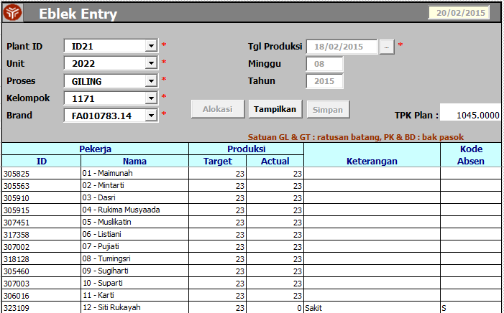

TPO Production Entry

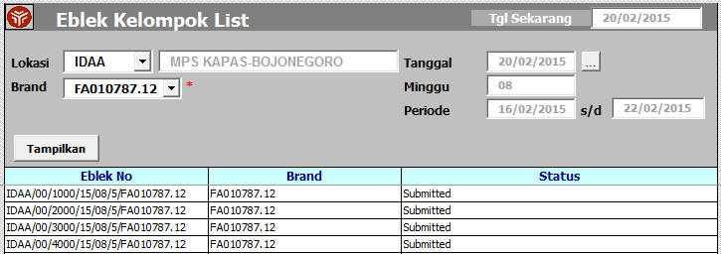

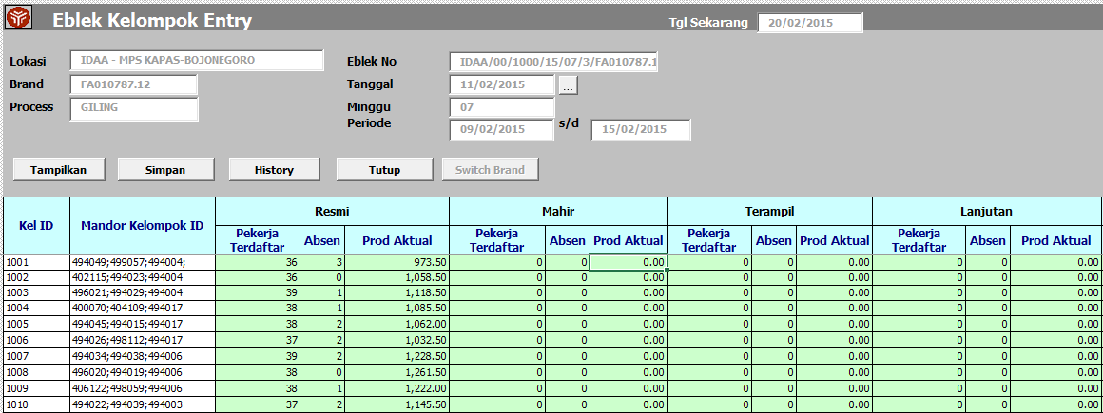

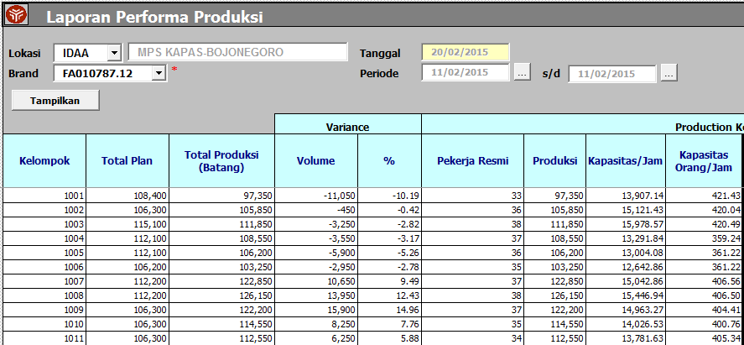
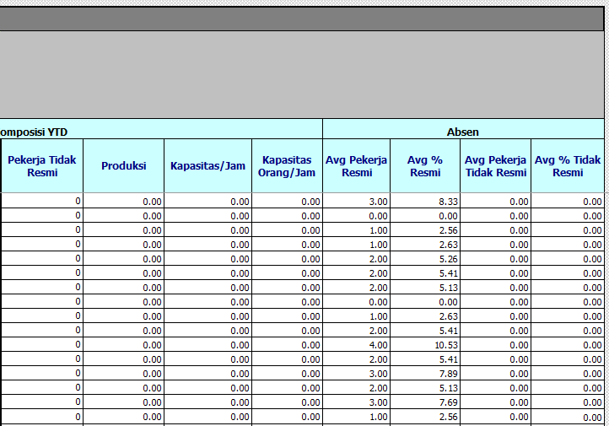

Employee |  | Production |  | Keterangan ↓ | Kode Absen ↓
ID ↓ | Name ↓ | Capacity ↓ | Target ↓
305705 | 01 - Wiyanti Karyantina | 23 | 23
305703 | 02 - Kasmini | 23 | 23
308937 | 03 - Nur Kasanah | 23 | 23
312105 | 04 - Triani | 23 | 23
307495 | 05 - Winih | 23 | 23
319856 | 06 - Yumnawati | 23 | 23
311652 | 07 - Hariyanti | 23 | 23
311655 | 08 - Murti | 23 | 23
311639 | 09 - Jumaroh | 23 | 23
311653 | 10 - Winariyah | 23 | 23
312591 | 11 - Sulasmi | 23 | 23
325918 | 12 - Sulasih | 23 | 23
308429 | 13 - Eni Mastutik | 23 | 23
306420 | 14 - Julaenah | 23 | 23
322480 | 15 - Sriasih | 23 | 23
312341 | 16 - Kumayati | 23 | 23
306310 | 17 - Sri Temok | 23 | 23
322583 | 18 - Emi Agustin Hariningrum | 23 | 23
312754 | 19 - Amini | 23 | 23
306131 | 20 - Tatik | 23 | 23
306357 | 21 - Winarti | 23 | 23
312911 | 22 - Rina Imroatul Umaya | 23 | 0 | Alpa | A
313040 | 23 - Juliyah | 23 | 23
316952 | 24 - Suprihatin | 23 | 23
306914 | 25 - Jamiati | 23 | 23
313042 | 26 - Kotimah | 23 | 23
313043 | 27 - Chotidjah | 23 | 23
313034 | 28 - Nurul Aini | 23 | 23
307367 | 29 - Kusmiatun | 23 | 20
307120 | 30 - Ponisri | 23 | 23
324324 | 31 - Siti Cholifah | 23 | 23
319892 | 32 - Luluk Faikotun Nikmah | 23 | 23
305949 | 33 - Sulastri | 23 | 0 | Multiskill Out | MO
307675 | 34 - Ida Maskanah | 23 | 23
306364 | 35 - Mariah | 23 | 23
307371 | 36 - Sulami | 23 | 23
306986 | 37 - Lina | 23 | 23
306190 | 38 - Minah | 23 | 23
313035 | 39 - Ruliyati | 23 | 23
313036 | 40 - Sutrismi | 23 | 23
312910 | 41 - Kusmiatin | 23 | 23
306003 | 42 - Rianik | 23 | 23
306531 | 43 - Katimah | 23 | 23
306701 | 44 - Jumiati | 23 | 23
324300 | 45 - Mukaromah | 23 | 23
323097 | 46 - Siti | 23 | 23
307471 | 47 - Mudoribah | 23 | 23
305568 | 48 - Satu'In | 23 | 23
 | Total | 1104 | 1055

No Eblek ↓ |  | Mandor ID↓ | Mandor Name↓ |  | Group ↓ | Plan ↓ | Actual ↓ | Verify Sistem↓ |  | Verify ↓
ID21/06/1162/15/13/3/FA010783.14 |  | 104887 | 105279 | | Pardjilah | Sutik Mardiyaningsih | |  | 1162 | 1104 | 1012 | Y |  | Y
ID21/06/2164/15/13/3/FA010783.14 |  | 104807 | 106963 | | Tri Setyowati | Nikmatul Khusna | |  | 2164 | 1110 | 1110 | Y
ID21/06/2165/15/13/3/FA010783.14 |  | 102619 | 105559 | | Zulaikah | Sukarti | |  | 2165 | 1120 | 1120 | Y |  | Y
ID21/06/2562/15/13/3/FA010783.14 |  |  |  |  | 2562 | 51 | 51 | Y |  | Y
ID21/06/2567/15/13/3/FA010783.14 |  |  |  |  | 2567 | 70 | 70 | Y |  | Y
ID21/06/2161/15/13/3/FA010783.14 |  | 105282 | 106961 | | Musaroh | Wiwik Sugiarti | |  | 2161 | 1050 | 1050 | Y |  | Y
ID21/06/2162/15/13/3/FA010783.14 |  | 104887 | 105279 | | Pardjilah | Sutik Mardiyaningsih | |  | 2162 | 1110 | 975 | Y |  | Y
ID21/06/2166/15/13/3/FA010783.14 |  | 106949 | 106956 | | Samini | Kasiati | |  | 2166 | 840 | 770 | Y |  | Y
ID21/06/1167/15/13/3/FA010783.14 |  | 103106 | 104805 | | Ida Nurochmi | Partinah | |  | 1167 | 1081 | 1035 | Y |  | Y
ID21/06/2566/15/13/3/FA010783.14 |  |  |  |  | 2566 | 140 | 140 | Y |  | Y
ID21/06/1165/15/13/3/FA010783.14 |  | 102619 | 105559 | | Zulaikah | Sukarti | |  | 1165 | 1099 | 1018 | Y |  | Y

ABSENCE LIST
ID ↓ | Name ↓ | Start Date ↓ | End Date ↓ | Reason ↓ | Absent Type ↓
328731 | 111141 - Sumiati | 24/03/2015 | 25/03/2015 |  | Sakit

328733 | 111141 - Sumiati | 24/03/2017 | 25/03/2017 |  | Sakit
328734 | 111141 - Sumiati | 24/03/2018 | 25/03/2018 |  | Sakit
328735 | 111141 - Sumiati | 24/03/2019 | 25/03/2019 |  | Sakit
328736 | 111141 - Sumiati | 24/03/2020 | 25/03/2020 |  | Sakit

Employee |  | Capacity |  |  |  |  |  |  | Active ↓ | Update By ↓ | Update Date ↓
ID ↓ | Name ↓ | 3 Hour | 5 Hour | 6 Hour | 7 Hour | 8 Hour | 9 Hour | 10 Hour
326746 | 01 - Kotimah | 10 | 17 | 20 | 23 | 27 | 30 | 29 |  | mnatalia | 24/01/2015 07:56:31
 |  |  |  |  |  |  |  |  |  | pherlukijanto | 24/01/2015 07:56:31
324361 | 03 - Siti Rohmah | 10 | 17 | 20 | 23 | 27 | 30 | 32 |  | mnatalia | 24/01/2015 07:56:31
305778 | 04 - Sulastri | 10 | 17 | 20 | 23 | 27 | 30 | 32 |  | rjuliangga | 24/01/2015 07:56:32
306422 | 05 - Kiswaroh | 10 | 17 | 20 | 23 | 27 | 30 | 33 |  | pherlukijanto | 24/01/2015 07:56:32
307157 | 06 - Nailil Fadilah | 10 | 17 | 19 | 22 | 25 | 28 | 31 |  | pherlukijanto | 24/01/2015 07:56:32
324067 | 07 - Arni Ekawati | 10 | 17 | 20 | 23 | 27 | 30 | 30 |  | rjuliangga | 24/01/2015 07:56:32
311837 | 08 - Widarti | 10 | 17 | 20 | 23 | 28 | 32 | 33 |  | rharsanti | 24/01/2015 07:56:32
313367 | 09 - Musripah | 10 | 17 | 20 | 23 | 27 | 30 | 32 |  | mnatalia | 24/01/2015 07:56:32
308323 | 10 - Suparni | 10 | 17 | 20 | 23 | 27 | 30 | 32 |  | rharsanti | 24/01/2015 07:56:32
306352 | 11 - Emmy Ekowati | 10 | 17 | 20 | 23 | 27 | 30 | 32 |  | pherlukijanto | 24/01/2015 07:56:32
328639 | 12 - Indahyani | 10 | 17 | 20 | 23 | 27 | 30 | 32 |  | pherlukijanto | 24/01/2015 07:56:32
324070 | 13 - Warsini | 10 | 17 | 20 | 23 | 27 | 30 | 29 |  | pherlukijanto | 24/01/2015 07:56:32
306453 | 14 - Ngatemi | 10 | 17 | 20 | 23 | 29 | 33 | 34 |  | pherlukijanto | 24/01/2015 07:56:32
309136 | 15 - Misiyam | 10 | 17 | 20 | 23 | 30 | 34 | 34 |  | rjuliangga | 24/01/2015 07:56:32
306028 | 16 - Sriah | 10 | 17 | 20 | 23 | 27 | 30 | 33 |  | rjuliangga | 24/01/2015 07:56:32
306454 | 17 - Sulasmi | 10 | 17 | 20 | 23 | 27 | 30 | 31 |  | rjuliangga | 24/01/2015 07:56:32
313554 | 18 - Dewi Sri Munarti | 10 | 17 | 20 | 23 | 27 | 30 | 33 |  | mnatalia | 24/01/2015 07:56:33
322828 | 19 - Minarsih | 10 | 17 | 20 | 23 | 28 | 32 | 32 |  | rharsanti | 24/01/2015 07:56:33
324054 | 20 - Zamiroh | 10 | 17 | 20 | 23 | 31 | 35 | 38 |  | mnatalia | 24/01/2015 07:56:33
324073 | 21 - Sriatun | 10 | 17 | 20 | 23 | 27 | 30 | 30 |  | mnatalia | 24/01/2015 07:56:33
306184 | 22 - Miyani | 9 | 15 | 17 | 20 | 23 | 26 | 29 |  | rjuliangga | 24/01/2015 07:56:33
306826 | 23 - Sunarseh | 10 | 17 | 20 | 23 | 28 | 32 | 34 |  | rjuliangga | 24/01/2015 07:56:33
305830 | 24 - Yatinah | 10 | 17 | 20 | 23 | 27 | 30 | 31 |  | pherlukijanto | 24/01/2015 07:56:33
307150 | 25 - Sri Astutik | 10 | 17 | 17 | 23 | 26 | 30 | 32 |  | pherlukijanto | 24/01/2015 07:56:33
306360 | 26 - Siti Nur Asiyah | 10 | 17 | 20 | 23 | 30 | 34 | 37 |  | rharsanti | 24/01/2015 07:56:33
324055 | 27 - Siti Mutmainah | 10 | 17 | 20 | 23 | 30 | 34 | 37 |  | mnatalia | 24/01/2015 07:56:33
317362 | 28 - Nur Khasanah | 10 | 17 | 20 | 23 | 27 | 30 | 30 |  | mnatalia | 24/01/2015 07:56:33
305663 | 29 - Semi Khamidah | 10 | 17 | 20 | 23 | 27 | 30 | 33 |  | rharsanti | 24/01/2015 07:56:33
306571 | 30 - Kumariatun | 10 | 17 | 20 | 23 | 32 | 36 | 40 |  | pherlukijanto | 24/01/2015 07:56:33
306455 | 31 - Sarilah | 10 | 17 | 20 | 23 | 31 | 35 | 39 |  | rjuliangga | 24/01/2015 07:56:33
306327 | 32 - Nurwaningsih | 10 | 17 | 20 | 23 | 27 | 30 | 27 |  | mnatalia | 24/01/2015 07:56:33
305557 | 33 - Sulastri | 10 | 17 | 20 | 23 | 28 | 32 | 32 |  | mnatalia | 24/01/2015 07:56:33
306607 | 34 - Karsiatun | 10 | 17 | 20 | 23 | 27 | 30 | 29 |  | rjuliangga | 24/01/2015 07:56:34
311813 | 35 - Umu Zaini | 10 | 17 | 20 | 23 | 27 | 30 | 28 |  | rjuliangga | 24/01/2015 07:56:34
307226 | 36 - Lilik Munawaroh | 10 | 17 | 20 | 23 | 28 | 32 | 34 |  | pherlukijanto | 24/01/2015 07:56:34
322467 | 37 - Mujiati | 10 | 17 | 20 | 23 | 32 | 36 | 35 |  | pherlukijanto | 24/01/2015 07:56:34
325353 | 38 - Iis Iswati | 10 | 17 | 20 | 23 | 27 | 30 | 32 |  | rharsanti | 24/01/2015 07:56:34
324057 | 39 - Inayati | 10 | 17 | 20 | 23 | 27 | 30 | 33 |  | mnatalia | 24/01/2015 07:56:34
305521 | 40 - Juwariyah | 10 | 17 | 20 | 23 | 32 | 34 | 40 |  | mnatalia | 24/01/2015 07:56:34
306207 | 41 - Saenah | 10 | 17 | 20 | 23 | 27 | 30 | 33 |  | rharsanti | 24/01/2015 07:56:34
306608 | 42 - Amimah | 10 | 17 | 20 | 23 | 27 | 30 | 32 |  | pherlukijanto | 24/01/2015 07:56:34
308753 | 43 - Siti Aminatun | 10 | 17 | 20 | 23 | 27 | 30 | 33 |  | rjuliangga | 24/01/2015 07:56:34
306460 | 44 - Tuminem | 10 | 17 | 20 | 23 | 28 | 32 | 32 |  | mnatalia | 24/01/2015 07:56:34
316139 | 45 - Sutatik | 10 | 17 | 20 | 23 | 30 | 34 | 38 |  | mnatalia | 24/01/2015 07:56:34
306330 | 46 - Sukarti | 10 | 17 | 20 | 23 | 26 | 30 | 27 |  | rharsanti | 24/01/2015 07:56:34
308735 | 47 - Suyati | 10 | 17 | 20 | 23 | 29 | 33 | 41 |  | pherlukijanto | 24/01/2015 07:56:34
314491 | 48 - Susiani Muntamah | 10 | 17 | 20 | 23 | 29 | 33 | 35 |  | rjuliangga | 24/01/2015 07:56:34

No Induk ↓ | No Pengenal ↓ | Production ↓ | Absence ↓ | Upah Lain-lain ↓ | Remark ↓
307437 | 116201 | 23
319854 | 116202 | 0 | A
323489 | 116203 | 23
322571 | 116204 | 23
314364 | 116205 | 20
323829 | 116206 | 23
317046 | 116207 | 23
326747 | 116208 | 23
322578 | 116209 | 23
306750 | 116210 | 23
306751 | 116211 | 23
321119 | 116212 | 23
306871 | 116213 | 23
308303 | 116214 | 23
307507 | 116215 | 23
307097 | 116216 | 23
315907 | 116217 | 23
306755 | 116218 | 23
306756 | 116219 | 23
306757 | 116220 | 23
308515 | 116221 | 23
323831 | 116222 | 23
318112 | 116223 | 23
308391 | 116224 | 23
306759 | 116225 | 23
308627 | 116226 | 23
324314 | 116227 | 23
323832 | 116228 | 0 | 20
306761 | 116229 | 23
306762 | 116230 | 23
306763 | 116231 | 23
306764 | 116232 | 23
318155 | 116233 | 0 | JA
309069 | 116234 | 23
324076 | 116235 | 23
306766 | 116236 | 23
306767 | 116237 | 0 | S
306768 | 116238 | 23
306769 | 116239 | 23
306770 | 116240 | 0 | 3
307100 | 116241 | 23
306927 | 116242 | 23
308524 | 116243 | 23
306772 | 116244 | 23
324318 | 116245 | 23
308388 | 116246 | 23
326752 | 116247 | 23
317009 | 116248 | 23

No Induk ↓ | No Pengenal ↓ | Production ↓ | Absence ↓ | Upah Lain-lain ↓
307437 | 116201 | 23
319854 | 116202 | 0 | A
323489 | 116203 | 23
322571 | 116204 | 23
314364 | 116205 | 20
323829 | 116206 | 23
317046 | 116207 | 23
326747 | 116208 | 23
322578 | 116209 | 23
306750 | 116210 | 23
306751 | 116211 | 23
321119 | 116212 | 23
306871 | 116213 | 23
308303 | 116214 | 23
307507 | 116215 | 23
307097 | 116216 | 23
315907 | 116217 | 23
306755 | 116218 | 23
306756 | 116219 | 23
306757 | 116220 | 23
308515 | 116221 | 23
323831 | 116222 | 23
318112 | 116223 | 23
308391 | 116224 | 23
306759 | 116225 | 23
308627 | 116226 | 23
324314 | 116227 | 23
323832 | 116228 | 0 | 20
306761 | 116229 | 23
306762 | 116230 | 23
306763 | 116231 | 23
306764 | 116232 | 23
318155 | 116233 | 0 | JA
309069 | 116234 | 23
324076 | 116235 | 23
306766 | 116236 | 23
306767 | 116237 | 0 | S
306768 | 116238 | 23
306769 | 116239 | 23
306770 | 116240 | 0 | 3
307100 | 116241 | 23
306927 | 116242 | 23
308524 | 116243 | 23
306772 | 116244 | 23
324318 | 116245 | 23
308388 | 116246 | 23
326752 | 116247 | 23
317009 | 116248 | 23

Maintenance
 | IDAA150312

Item Code ↓ | Item Description ↓ | Qty ↓ | On Used | Ready to Use | On Repair |  |  |  |  | Item | Qty | Qty On Used | Qty Ready to Use | Qty On Repair | Purchasing

Double click

 |  |  |  |  |  |  |  |  |  | Location | Qty Unrestricted |  | Qty

 |  |  |  |  |  |  |  |  |  |  |  |  |  |  |  |  | RECEIVE EQUIPMENT (cancel)

Item | Previous Outstanding | Repair Request | Completion | Outstanding | Bad Stock | Taken By Unit |  |  | Item |  | Description |  | UOM | Qty | Delivery Note | Item |  | Description | UOM | Qty Transfer | Qty Receive | Delivery Note | Receive Note

 |  |  |  |  |  |  |  |  |  | QI Out | QI Out |  | QI Out
 |  |  |  |  |  |  |  | QI Beginning Stock | QI Stock Receive | Ready to use Receive | Bad Stock Receive | QI Ending Stock | not in stock
Item | Description |  | UOM | Request No. | Delivery Note | Comments | Source | Previous Outstanding | Receiving | Pass | Reject | Outstanding | Return

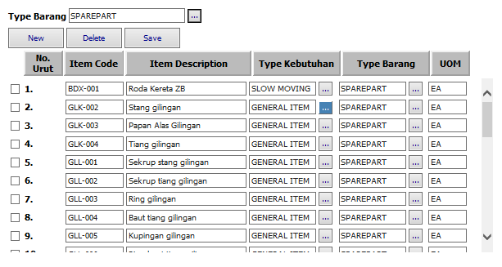

Item Code ↓ | Item Description ↓ | Item Type ↓ | OUM ↓ | Price Type ↓ | Active ↓ | Update By ↓ | Update Date ↓
GLK-002 | Stang Gilingan | Sparepart | EA | Low |  | PMI/mnatalia | 04/02/2015
 |  |  |  |  |  | PMI/mnatalia | 11/02/2015
GLK-004 | Tiang Gilingan | Sparepart | EA | High |  | PMI/pherlukijanto | 04/02/2015
GLL-003 | Ring Gilingan | Sparepart | EA | High |  | PMI/pherlukijanto | 05/02/2015
GLL-004 | Baut Tiang Gilingan | Sparepart | EA | Low |  | PMI/mnatalia | 06/02/2015
GLL-005 | Kupingan gilingan | Sparepart | EA | ` |  | PMI/pherlukijanto | 04/02/2015

Unit | Previous Outstanding | Repair Request | Completion | Outstanding | Bad Stock | Taken By Unit
2021

Item Code ↓ | Item Description ↓ | Buffer ↓ | Min Order ↓ | Stock |  | SDD |  | Update By ↓ | Update Date ↓
 |  |  |  | Ready To Use ↓ | All ↓ | Min ↓ | Max ↓

Source |  |  | Destination |  |  | Qty Convertion ↓ | Active ↓ | Update By ↓ | Update Date ↓ | Item Location
Item Code ↓ | Item Description ↓ | UOM ↓ | Item Code ↓ | Item Description ↓ | UOM ↓ |  |  |  |  |  |  | Item Sparepart

Transaction Date ↓ | Source |  |  | Destination |  |  | Qty ↓
 | Item Code ↓ | Item Description ↓ | Stock ↓ | Item Code ↓ | Item Description ↓ | Stock ↓

Double click to modify item qty

Item Code ↓ | Item Description ↓ | Bad Stock ↓

